Error MUT
Volume Error for PGM meter
 | INRIM N2 |  | NEL N2 |  | VSL Unc. |  | INRIM Unc. |  | NEL Unc. |  | Factory Cal.
0.10 | -0.160 | 0.12 | -0.203 | 32.00 | 0 | 33.00 | 0 | 34.00 | 0 | 30 | 0.18
 |  |  |  |  |  |  |  |  |  | 20 | 0.21
 |  |  |  |  |  |  |  |  |  | 14.44 | 0.21
0.31 | 0.035 | 0.29 | 0.427 |  |  |  |  |  |  | 9.98 | 0.24
 |  |  |  |  |  |  |  |  |  | 7 | 0.22
 |  |  |  |  |  |  |  |  |  | 4.32 | 0.22
0.60 | 0.018 | 0.58 | 0.728 |  |  |  |  |  |  | 2 | 0.19
 |  |  |  |  |  |  |  |  |  | 0.99 | 0.17
 |  |  |  |  |  |  |  |  |  | 0.5 | 0.1
1.00 | 0.212 | 0.91 | 0.375 |  |  |  |  |  |  | 0.24 | -0.23
2.20 | 0.109 | 2.21 | 0.186
3.01 | 0.223 | 2.99 | 0.023
6.03 | 0.198 | 6.11 | 0.027
10.04 | 0.171 | 10.01 | -0.149
14.98 | 0.165 | 15.03 | -0.370
19.90 | 0.112 | 20.02 | -0.484
25.06 | -0.059 | 24.51 | -0.412
30.02 | -0.094 | 29.01 | -0.416

Error MUT (low flow)
Volume Error for PGM meter
 | VSL N2 |  | INRIM N2 |  | VSL CO2 |  | INRIM CO2 |  | VSL Unc. |  | INRIM Unc. |  | NEL Unc. |  | Factory Cal.
0.10 | -0.573 | 0.10 | -0.160 | 0.10 | -0.773 | 0.10 | -0.594 | 3.50 | 0 | 3.70 | 0 | 3.95 | 0 | 30 | 0.18
 |  |  |  |  |  |  |  |  |  |  |  |  |  | 20 | 0.21
 |  |  |  |  |  |  |  |  |  |  |  |  |  | 14.44 | 0.21
0.30 | 0.138 | 0.31 | 0.035 | 0.30 | 0.123 | 0.31 | -0.256 |  |  |  |  |  |  | 9.98 | 0.24
 |  |  |  |  |  |  |  |  |  |  |  |  |  | 7 | 0.22
 |  |  |  |  |  |  |  |  |  |  |  |  |  | 4.32 | 0.22
0.60 | 0.308 | 0.60 | 0.018 | 0.60 | 0.342 | 0.60 | -0.034 |  |  |  |  |  |  | 2 | 0.19
 |  |  |  |  |  |  |  |  |  |  |  |  |  | 0.99 | 0.17
 |  |  |  |  |  |  |  |  |  |  |  |  |  | 0.5 | 0.1
1.01 | 0.356 | 1.00 | 0.212 | 1.00 | 0.356 | 1.01 | 0.033 |  |  |  |  |  |  | 0.24 | -0.23
2.23 | 0.418 | 2.20 | 0.109 | 2.23 | 0.364 | 2.19 | 0.082
2.93 | 0.410 | 3.01 | 0.223 |  |  | 3.01 | 0.096
 |  | 6.03 | 0.198 |  |  | 6.04 | 0.011
 |  | 10.04 | 0.171 |  |  | 10.03 | 0.285
 |  | 14.98 | 0.165 |  |  | 14.97 | 0.069
 |  | 19.90 | 0.112 |  |  | 19.91 | -0.036
 |  | 25.06 | -0.059 |  |  | 25.06 | 0.027
 |  | 30.02 | -0.094 |  |  | 30.02 | -0.054

En
|En| for PGM meter
 | VSL CO2 |  | INRIM CO2 |  | NEL CO2 |  | Warning level |  | Critical level
0.10 | 0.03 | 0.10 | 0.03 |  |  | 0.00E+00 | 1 | 0.00E+00 | 1.2
 |  |  |  |  |  | 3.50E+01 | 1 | 3.50E+01 | 1.2
0.30 | 1.36 | 0.31 | 1.36
0.60 | 1.72 | 0.60 | 0.53 | 0.61 | 2.05
1.00 | 0.22 | 1.01 | 1.42 | 1.06 | 1.81
2.23 | 0.51 | 2.19 | 1.46 | 2.19 | 1.67
 |  | 3.01 | 1.13 | 3.04 | 1.13
 |  | 6.04 | 1.05 | 6.00 | 1.05
 |  | 10.03 | 0.09 | 10.20 | 0.09
 |  | 14.97 | 0.01 | 15.34 | 0.01
 |  | 19.91
 |  | 25.06
 |  | 30.02

En (low flow)
|En| for PGM meter
 | VSL CO2 |  | INRIM CO2 |  | NEL CO2 |  | Warning level |  | Critical level
0.10 | 0.03 | 0.10 | 0.03 |  |  | 0.00E+00 | 1 | 0.00E+00 | 1.2
 |  |  |  |  |  | 3.50E+01 | 1 | 3.50E+01 | 1.2
0.30 | 1.36 | 0.31 | 1.36
0.60 | 1.72 | 0.60 | 0.53 | 0.61 | 2.05
1.00 | 0.22 | 1.01 | 1.42 | 1.06 | 1.81
2.23 | 0.51 | 2.19 | 1.46 | 2.19 | 1.67
 |  | 3.01 | 1.13 | 3.04 | 1.13
 |  | 6.04 | 1.05 | 6.00 | 1.05
 |  | 10.03 | 0.09 | 10.20 | 0.09
 |  | 14.97 | 0.01 | 15.34 | 0.01
 |  | 19.91
 |  | 25.06
 |  | 30.02

En (VSL-INRIM)
|En| for PGM meter
 | En VSL-INRIM CO2 |  | Warning level |  | Critical level
0.10 | 0.03 | 0.00E+00 | 1 | 0.00E+00 | 1.2
 |  | 3.50E+01 | 1 | 3.50E+01 | 1.2
0.30 | 1.36
0.60 | 0.36
1.00 | 1.00
2.23 | 1.01

Factory Cal Cert
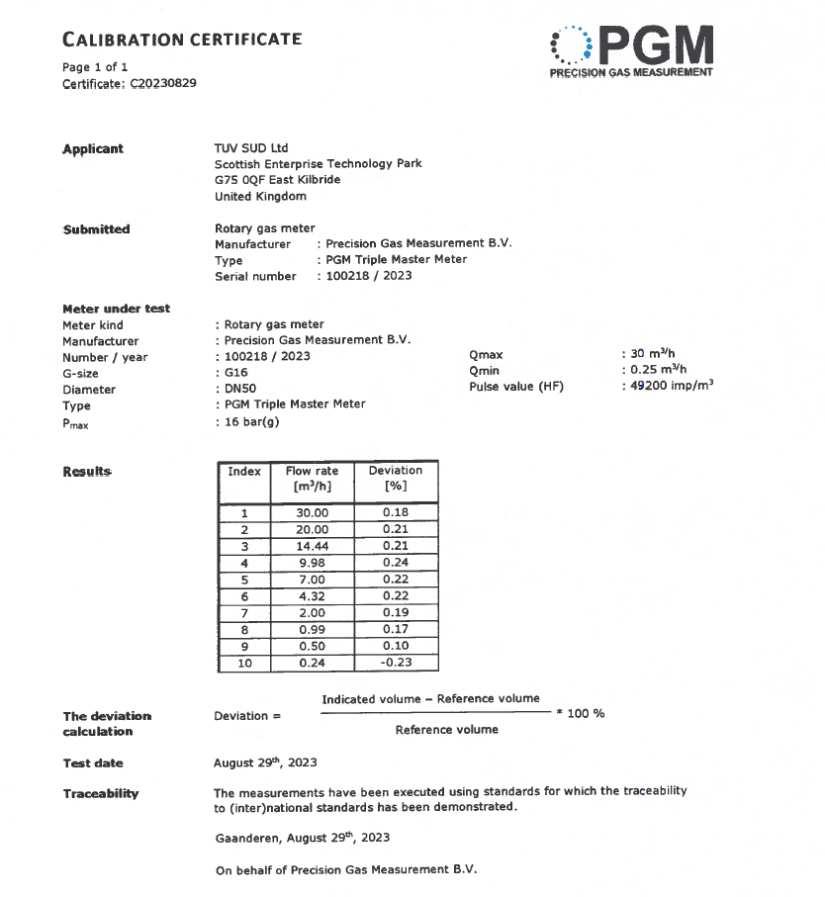

Index | Flow Rate [m3/h] | Deviation [%]
1 | 30 | 0.18
2 | 20 | 0.21
3 | 14.44 | 0.21
4 | 9.98 | 0.24
5 | 7 | 0.22
6 | 4.32 | 0.22
7 | 2 | 0.19
8 | 0.99 | 0.17
9 | 0.5 | 0.1
10 | 0.24 | -0.23

