Error MUT
Mass Error for 3-inch Coriolis
 | NEL 31 bara |  | Force 31 bara |  | DNV 31 bara |  | NEL 21 bara |  | Force 21 bara |  | DNV 21 bara |  | NEL Unc. |  | Force Unc. |  | DNV Unc. |  | NEL 38 bara N2 |  | FORCE 31 bara NG |  | FORCE 21 bara NG
7.77 | 0.137 |  |  | 6.72 | 0.212 | 4.87 | 0.238 |  |  | 4.64 | -0.046 | 8.50 | 0 | 9.00 | 0 | 9.50 | 0 | 4.10 | 0.141 | 0.12 | -0.699 | 0.08 | -1.072
5.44 | 0.142 | 5.32 | 0.098 | 5.41 | 0.013 | 3.41 | 0.182 | 3.33 | -0.046 | 3.54 | 0.013 |  |  |  |  |  |  | 2.35 | 0.141 | 0.24 | -0.320 | 0.16 | -0.232
 |  |  | 0.102
 |  |  | 0.125
3.11 | 0.170 | 3.05 | -0.171 | 2.99 | 0.182 | 1.95 | 0.147 | 1.91 | -0.190 | 2.14 | 0.130 |  |  |  |  |  |  | 1.17 | 0.036 | 0.51 | 0.030 | 0.33 | 0.064
 |  |  | -0.163
 |  |  | -0.153
1.56 | 0.129 | 1.53 | -0.180 | 1.57 | 0.130 | 0.98 | -0.055 | 0.96 | -0.326 | 1.14 | 0.136 |  |  |  |  |  |  | 0.59 | -0.054 | 0.98 | 0.029 | 0.65 | 0.159
 |  |  | -0.191
 |  |  | -0.199
0.78 | 0.105 |  |  | 0.65 | 0.050 | 0.49 | -0.151 | 0.48 | -0.286 | 0.46 | -0.004 |  |  |  |  |  |  | 0.30 | -0.213 | 1.71 | 0.096 | 1.14 | 0.157
0.40 | 0.311 |  |  | 0.46 | -0.038 | 0.25 | -0.053 | 0.24 | -0.275 | 0.33 | -0.072

En
En for 3-inch Coriolis
 | NEL 31 bara |  | Force 31 bara |  | DNV 31 bara |  | NEL 21 bara |  | Force 21 bara |  | DNV 21 bara |  | Warning level |  | Critical level
7.77 | 0.17 |  |  | 6.72 | 0.17 | 4.87 | 0.39 |  |  | 4.64 | 0.39 | 0.00E+00 | 1 | 0.00E+00 | 1.2
 |  |  |  |  |  |  |  |  |  |  |  | 1.10E+01 | 1 | 1.10E+01 | 1.2
5.44 | 0.21 | 5.32 | 0.15 | 5.41 | 0.32 | 3.41 | 0.48 | 3.33 | 0.33 | 3.54 | 0.12
3.11 | 0.33 | 3.05 | 1.03 | 2.99 | 0.71 | 1.95 | 0.33 | 1.91 | 0.92 | 2.14 | 0.57
1.56 | 0.39 | 1.53 | 0.93 | 1.57 | 0.59 | 0.98 | 0.02 | 0.96 | 1.21 | 1.14 | 1.14
0.78 | 0.13 |  |  | 0.65 | 0.13 | 0.49 | 0.11 | 0.48 | 0.64 | 0.46 | 0.67
0.40 | 0.80 |  |  | 0.46 | 0.80 | 0.25 | 0.25 | 0.24 | 0.61 | 0.33 | 0.38

Error MUT 31 bara
Mass Error for 3-inch Coriolis
 | NEL 31 bara |  | Force 31 bara |  | DNV 31 bara |  | NEL Unc. |  | Force Unc. |  | DNV Unc.
7.77 | 0.137 |  |  | 6.72 | 0.212 | 8.50 | 0 | 9.00 | 0 | 9.50 | 0
5.44 | 0.142 | 5.32 | 0.098 | 5.41 | 0.013
 |  |  | 0.102
 |  |  | 0.125
3.11 | 0.170 | 3.05 | -0.171 | 2.99 | 0.182
 |  |  | -0.163
 |  |  | -0.153
1.56 | 0.129 | 1.53 | -0.180 | 1.57 | 0.130
 |  |  | -0.191
 |  |  | -0.199
0.78 | 0.105 |  |  | 0.65 | 0.050
0.40 | 0.311 |  |  | 0.46 | -0.038

Error MUT 21 bara
Mass Error for 3-inch Coriolis
 | NEL 21 bara |  | Force 21 bara |  | DNV 21 bara |  | NEL Unc. |  | Force Unc. |  | DNV Unc.
4.87 | 0.238 |  |  | 4.64 | -0.046 | 8.50 | 0 | 9.00 | 0 | 9.50 | 0
3.41 | 0.182 | 3.33 | -0.046 | 3.54 | 0.013
1.95 | 0.147 | 1.91 | -0.190 | 2.14 | 0.130
0.98 | -0.055 | 0.96 | -0.326 | 1.14 | 0.136
0.49 | -0.151 | 0.48 | -0.286 | 0.46 | -0.004
0.25 | -0.053 | 0.24 | -0.275 | 0.33 | -0.072

Error MUT (Vol x axis)
Mass Error for 3-inch Coriolis
 | NEL 31 bara |  | Force 31 bara |  | DNV 31 bara |  | NEL 21 bara |  | Force 21 bara |  | DNV 21 bara |  | NEL Unc. |  | Force Unc. |  | DNV Unc. |  | NEL 38 bara N2 |  | FORCE 31 bara NG |  | FORCE 21 bara NG
404 | 0.137 |  |  | 391 | 0.212 | 403 | 0.238 |  |  | 390 | -0.046 | 450.00 | 0 | 470.00 | 0 | 490.00 | 0 | 334 | 0.141 | 20 | -0.699 | 20 | -1.072
281 | 0.142 | 280 | 0.098 | 300 | 0.013 | 281 | 0.182 | 280 | -0.046 | 279 | 0.013 |  |  |  |  |  |  | 191 | 0.141 | 40 | -0.320 | 40 | -0.232
 |  |  | 0.102
 |  |  | 0.125
160 | 0.170 | 160 | -0.171 | 159 | 0.182 | 160 | 0.147 | 160 | -0.190 | 162 | 0.130 |  |  |  |  |  |  | 95 | 0.036 | 83 | 0.030 | 80 | 0.064
 |  |  | -0.163
 |  |  | -0.153
81 | 0.129 | 80 | -0.180 | 83 | 0.130 | 80 | -0.055 | 80 | -0.326 | 86 | 0.136 |  |  |  |  |  |  | 48 | -0.054 | 160 | 0.029 | 160 | 0.159
 |  |  | -0.191
 |  |  | -0.199
40 | 0.105 |  |  | 34 | 0.050 | 40 | -0.151 | 41 | -0.286 | 35 | -0.004 |  |  |  |  |  |  | 25 | -0.213 | 280 | 0.096 | 280 | 0.157
20 | 0.311 |  |  | 24 | -0.038 | 21 | -0.053 | 20 | -0.275 | 25 | -0.072

Error MUT CO2vsN2vsNG
Mass Error for 3-inch Coriolis
 | NEL 31 bara |  | NEL 21 bara |  | NEL 38 bara N2 |  | FORCE 31 bara NG |  | FORCE 21 bara NG |  | Specs |  | Specs
7.77 | 0.137 | 4.87 | 0.238 | 4.10 | 0.141 | 0.12 | -0.699 | 0.08 | -1.072 | 0.05 | -2.69 | 0.05 | 2.694
 |  |  |  |  |  |  |  |  |  | 0.07 | -2.00 | 0.07 | 1.996
 |  |  |  |  |  |  |  |  |  | 0.1 | -1.47 | 0.1 | 1.472
5.44 | 0.142 | 3.41 | 0.182 | 2.35 | 0.141 | 0.24 | -0.320 | 0.16 | -0.232 | 0.15 | -1.06 | 0.15 | 1.065
 |  |  |  |  |  |  |  |  |  | 0.2 | -0.86 | 0.2 | 0.861
 |  |  |  |  |  |  |  |  |  | 0.25 | -0.74 | 0.25 | 0.739
3.11 | 0.170 | 1.95 | 0.147 | 1.17 | 0.036 | 0.51 | 0.030 | 0.33 | 0.064 | 0.3 | -0.66 | 0.3 | 0.657
 |  |  |  |  |  |  |  |  |  | 0.35 | -0.60 | 0.35 | 0.599
 |  |  |  |  |  |  |  |  |  | 0.4 | -0.56 | 0.4 | 0.556
1.56 | 0.129 | 0.98 | -0.055 | 0.59 | -0.054 | 0.98 | 0.029 | 0.65 | 0.159 | 0.45 | -0.52 | 0.45 | 0.522
 |  |  |  |  |  |  |  |  |  | 0.5 | -0.49 | 0.5 | 0.494
 |  |  |  |  |  |  |  |  |  | 0.55 | -0.47 | 0.55 | 0.472
0.78 | 0.105 | 0.49 | -0.151 | 0.30 | -0.213 | 1.71 | 0.096 | 1.14 | 0.157 | 0.6 | -0.45 | 0.6 | 0.454
 |  |  |  |  |  |  |  |  |  | 0.65 | -0.44 | 0.65 | 0.438
 |  |  |  |  |  |  |  |  |  | 0.7 | -0.42 | 0.7 | 0.425
0.40 | 0.311 | 0.25 | -0.053 |  |  |  |  |  |  | 0.75 | -0.41 | 0.75 | 0.413
 |  |  |  |  |  |  |  |  |  | 0.8 | -0.40 | 0.8 | 0.403
 |  |  |  |  |  |  |  |  |  | 0.85 | -0.39 | 0.85 | 0.394
 |  |  |  |  |  |  |  |  |  | 0.9 | -0.39 | 0.9 | 0.386
 |  |  |  |  |  |  |  |  |  | 0.95 | -0.38 | 0.95 | 0.379
 |  |  |  |  |  |  |  |  |  | 1 | -0.37 | 1 | 0.372
 |  |  |  |  |  |  |  |  |  | 1.05 | -0.37 | 1.05 | 0.366
 |  |  |  |  |  |  |  |  |  | 1.1 | -0.36 | 1.1 | 0.361
 |  |  |  |  |  |  |  |  |  | 1.15 | -0.36 | 1.15 | 0.356
 |  |  |  |  |  |  |  |  |  | 1.2 | -0.35 | 1.2 | 0.352
 |  |  |  |  |  |  |  |  |  | 1.25 | -0.35 | 1.25 | 0.348
 |  |  |  |  |  |  |  |  |  | 1.3 | -0.34 | 1.3 | 0.344
 |  |  |  |  |  |  |  |  |  | 1.35 | -0.34 | 1.35 | 0.341
 |  |  |  |  |  |  |  |  |  | 1.4 | -0.34 | 1.4 | 0.337
 |  |  |  |  |  |  |  |  |  | 1.45 | -0.33 | 1.45 | 0.334
 |  |  |  |  |  |  |  |  |  | 1.5 | -0.33 | 1.5 | 0.331
 |  |  |  |  |  |  |  |  |  | 1.55 | -0.33 | 1.55 | 0.329
 |  |  |  |  |  |  |  |  |  | 1.6 | -0.33 | 1.6 | 0.326
 |  |  |  |  |  |  |  |  |  | 1.65 | -0.32 | 1.65 | 0.324
 |  |  |  |  |  |  |  |  |  | 1.7 | -0.32 | 1.7 | 0.322
 |  |  |  |  |  |  |  |  |  | 1.75 | -0.32 | 1.75 | 0.320
 |  |  |  |  |  |  |  |  |  | 1.8 | -0.32 | 1.8 | 0.318
 |  |  |  |  |  |  |  |  |  | 1.85 | -0.32 | 1.85 | 0.316
 |  |  |  |  |  |  |  |  |  | 1.9 | -0.31 | 1.9 | 0.314
 |  |  |  |  |  |  |  |  |  | 1.95 | -0.31 | 1.95 | 0.313
 |  |  |  |  |  |  |  |  |  | 2 | -0.31 | 2 | 0.311
 |  |  |  |  |  |  |  |  |  | 2.05 | -0.31 | 2.05 | 0.310
 |  |  |  |  |  |  |  |  |  | 2.1 | -0.31 | 2.1 | 0.308
 |  |  |  |  |  |  |  |  |  | 2.15 | -0.31 | 2.15 | 0.307
 |  |  |  |  |  |  |  |  |  | 2.2 | -0.31 | 2.2 | 0.306
 |  |  |  |  |  |  |  |  |  | 2.25 | -0.30 | 2.25 | 0.304
 |  |  |  |  |  |  |  |  |  | 2.3 | -0.30 | 2.3 | 0.303
 |  |  |  |  |  |  |  |  |  | 2.35 | -0.30 | 2.35 | 0.302
 |  |  |  |  |  |  |  |  |  | 2.4 | -0.30 | 2.4 | 0.301
 |  |  |  |  |  |  |  |  |  | 2.45 | -0.30 | 2.45 | 0.300
...

Coriolis Manufact Error
 |  | From PDS
CMF 100 | Zero spec | 4.4 | kg/h | 0.001222222 | kg/s

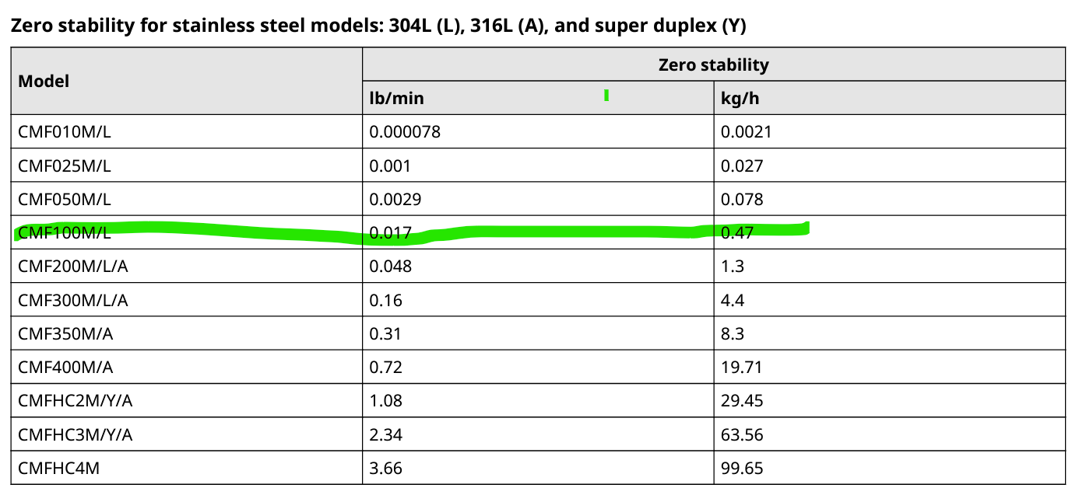
Spec with zero additions
Spec | 0.25 | From PDS
kg/s | Basic accuracy | zerro influense | Total spec | Total -Spec
0.05 | 0.25 | 2.4444 | 2.694 | -2.69
0.07 | 0.25 | 1.7460 | 1.996 | -2.00
0.1 | 0.25 | 1.2222 | 1.472 | -1.47
0.15 | 0.25 | 0.8148 | 1.065 | -1.06
0.2 | 0.25 | 0.6111 | 0.861 | -0.86
0.25 | 0.25 | 0.4889 | 0.739 | -0.74
0.3 | 0.25 | 0.4074 | 0.657 | -0.66
0.35 | 0.25 | 0.3492 | 0.599 | -0.60
0.4 | 0.25 | 0.3056 | 0.556 | -0.56
0.45 | 0.25 | 0.2716 | 0.522 | -0.52
0.5 | 0.25 | 0.2444 | 0.494 | -0.49
0.55 | 0.25 | 0.2222 | 0.472 | -0.47
0.6 | 0.25 | 0.2037 | 0.454 | -0.45
0.65 | 0.25 | 0.1880 | 0.438 | -0.44
0.7 | 0.25 | 0.1746 | 0.425 | -0.42
0.75 | 0.25 | 0.1630 | 0.413 | -0.41
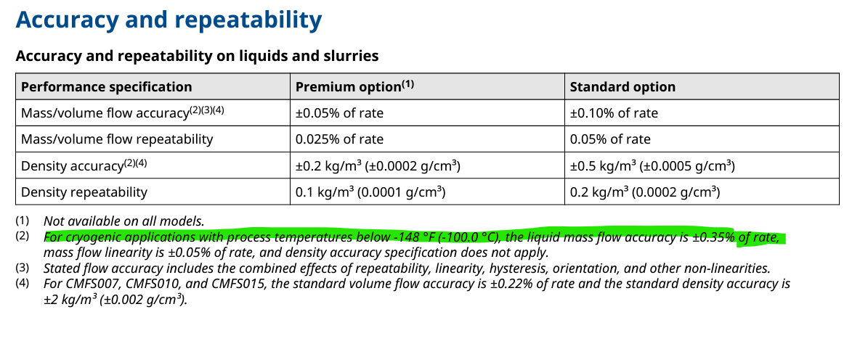
0.8 | 0.25 | 0.1528 | 0.403 | -0.40
0.85 | 0.25 | 0.1438 | 0.394 | -0.39
0.9 | 0.25 | 0.1358 | 0.386 | -0.39
0.95 | 0.25 | 0.1287 | 0.379 | -0.38
1 | 0.25 | 0.1222 | 0.372 | -0.37
1.05 | 0.25 | 0.1164 | 0.366 | -0.37
1.1 | 0.25 | 0.1111 | 0.361 | -0.36
1.15 | 0.25 | 0.1063 | 0.356 | -0.36
1.2 | 0.25 | 0.1019 | 0.352 | -0.35
1.25 | 0.25 | 0.0978 | 0.348 | -0.35
1.3 | 0.25 | 0.0940 | 0.344 | -0.34
1.35 | 0.25 | 0.0905 | 0.341 | -0.34
1.4 | 0.25 | 0.0873 | 0.337 | -0.34
1.45 | 0.25 | 0.0843 | 0.334 | -0.33
1.5 | 0.25 | 0.0815 | 0.331 | -0.33
1.55 | 0.25 | 0.0789 | 0.329 | -0.33
1.6 | 0.25 | 0.0764 | 0.326 | -0.33
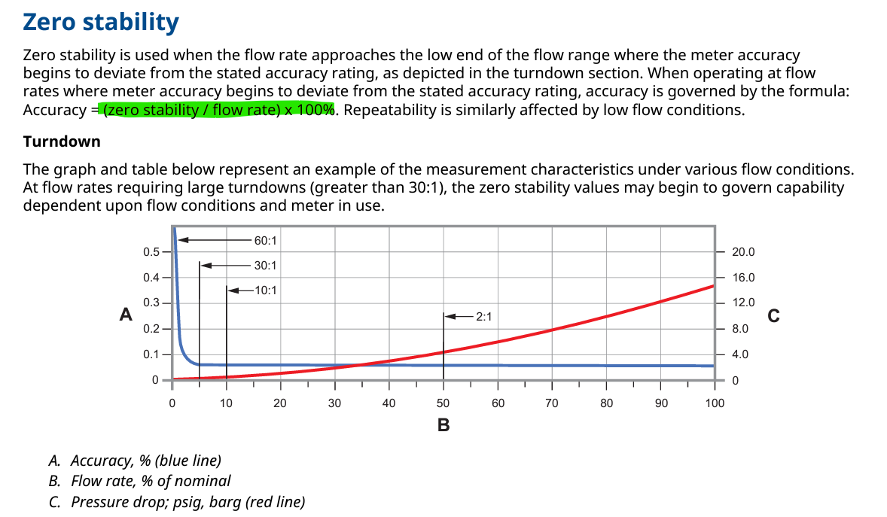
1.65 | 0.25 | 0.0741 | 0.324 | -0.32
1.7 | 0.25 | 0.0719 | 0.322 | -0.32
1.75 | 0.25 | 0.0698 | 0.320 | -0.32
1.8 | 0.25 | 0.0679 | 0.318 | -0.32
1.85 | 0.25 | 0.0661 | 0.316 | -0.32
1.9 | 0.25 | 0.0643 | 0.314 | -0.31
1.95 | 0.25 | 0.0627 | 0.313 | -0.31
2 | 0.25 | 0.0611 | 0.311 | -0.31
2.05 | 0.25 | 0.0596 | 0.310 | -0.31
2.1 | 0.25 | 0.0582 | 0.308 | -0.31
2.15 | 0.25 | 0.0568 | 0.307 | -0.31
2.2 | 0.25 | 0.0556 | 0.306 | -0.31
2.25 | 0.25 | 0.0543 | 0.304 | -0.30
2.3 | 0.25 | 0.0531 | 0.303 | -0.30
2.35 | 0.25 | 0.0520 | 0.302 | -0.30
2.4 | 0.25 | 0.0509 | 0.301 | -0.30
2.45 | 0.25 | 0.0499 | 0.300 | -0.30
2.5 | 0.25 | 0.0489 | 0.299 | -0.30
2.55 | 0.25 | 0.0479 | 0.298 | -0.30
2.6 | 0.25 | 0.0470 | 0.297 | -0.30
2.65 | 0.25 | 0.0461 | 0.296 | -0.30
2.7 | 0.25 | 0.0453 | 0.295 | -0.30
2.75 | 0.25 | 0.0444 | 0.294 | -0.29
2.8 | 0.25 | 0.0437 | 0.294 | -0.29
2.85 | 0.25 | 0.0429 | 0.293 | -0.29
2.9 | 0.25 | 0.0421 | 0.292 | -0.29
2.95 | 0.25 | 0.0414 | 0.291 | -0.29
3 | 0.25 | 0.0407 | 0.291 | -0.29
3.05 | 0.25 | 0.0401 | 0.290 | -0.29
3.1 | 0.25 | 0.0394 | 0.289 | -0.29
3.15 | 0.25 | 0.0388 | 0.289 | -0.29
3.2 | 0.25 | 0.0382 | 0.288 | -0.29
3.25 | 0.25 | 0.0376 | 0.288 | -0.29
3.3 | 0.25 | 0.0370 | 0.287 | -0.29
3.35 | 0.25 | 0.0365 | 0.286 | -0.29
3.4 | 0.25 | 0.0359 | 0.286 | -0.29
3.45 | 0.25 | 0.0354 | 0.285 | -0.29
3.5 | 0.25 | 0.0349 | 0.285 | -0.28
3.55 | 0.25 | 0.0344 | 0.284 | -0.28
3.6 | 0.25 | 0.0340 | 0.284 | -0.28
3.65 | 0.25 | 0.0335 | 0.283 | -0.28
3.7 | 0.25 | 0.0330 | 0.283 | -0.28
3.75 | 0.25 | 0.0326 | 0.283 | -0.28
3.8 | 0.25 | 0.0322 | 0.282 | -0.28
3.85 | 0.25 | 0.0317 | 0.282 | -0.28
3.9 | 0.25 | 0.0313 | 0.281 | -0.28
3.95 | 0.25 | 0.0309 | 0.281 | -0.28
4 | 0.25 | 0.0306 | 0.281 | -0.28
4.05 | 0.25 | 0.0302 | 0.280 | -0.28
4.1 | 0.25 | 0.0298 | 0.280 | -0.28
4.15 | 0.25 | 0.0295 | 0.279 | -0.28
4.2 | 0.25 | 0.0291 | 0.279 | -0.28
4.25 | 0.25 | 0.0288 | 0.279 | -0.28
4.3 | 0.25 | 0.0284 | 0.278 | -0.28
4.35 | 0.25 | 0.0281 | 0.278 | -0.28
4.4 | 0.25 | 0.0278 | 0.278 | -0.28
4.45 | 0.25 | 0.0275 | 0.277 | -0.28
4.5 | 0.25 | 0.0272 | 0.277 | -0.28
4.55 | 0.25 | 0.0269 | 0.277 | -0.28
4.6 | 0.25 | 0.0266 | 0.277 | -0.28
4.65 | 0.25 | 0.0263 | 0.276 | -0.28
4.7 | 0.25 | 0.0260 | 0.276 | -0.28
4.75 | 0.25 | 0.0257 | 0.276 | -0.28
4.8 | 0.25 | 0.0255 | 0.275 | -0.28
4.85 | 0.25 | 0.0252 | 0.275 | -0.28
4.9 | 0.25 | 0.0249 | 0.275 | -0.27
4.95 | 0.25 | 0.0247 | 0.275 | -0.27
5 | 0.25 | 0.0244 | 0.274 | -0.27
5.05 | 0.25 | 0.0242 | 0.274 | -0.27
5.1 | 0.25 | 0.0240 | 0.274 | -0.27
5.15 | 0.25 | 0.0237 | 0.274 | -0.27
5.2 | 0.25 | 0.0235 | 0.274 | -0.27
5.25 | 0.25 | 0.0233 | 0.273 | -0.27
5.3 | 0.25 | 0.0231 | 0.273 | -0.27
5.35 | 0.25 | 0.0228 | 0.273 | -0.27
5.4 | 0.25 | 0.0226 | 0.273 | -0.27
5.45 | 0.25 | 0.0224 | 0.272 | -0.27
5.5 | 0.25 | 0.0222 | 0.272 | -0.27
5.55 | 0.25 | 0.0220 | 0.272 | -0.27
5.6 | 0.25 | 0.0218 | 0.272 | -0.27
5.65 | 0.25 | 0.0216 | 0.272 | -0.27
5.7 | 0.25 | 0.0214 | 0.271 | -0.27
5.75 | 0.25 | 0.0213 | 0.271 | -0.27
5.8 | 0.25 | 0.0211 | 0.271 | -0.27
5.85 | 0.25 | 0.0209 | 0.271 | -0.27
5.9 | 0.25 | 0.0207 | 0.271 | -0.27
5.95 | 0.25 | 0.0205 | 0.271 | -0.27
6 | 0.25 | 0.0204 | 0.270 | -0.27
6.05 | 0.25 | 0.0202 | 0.270 | -0.27
6.1 | 0.25 | 0.0200 | 0.270 | -0.27
6.15 | 0.25 | 0.0199 | 0.270 | -0.27
6.2 | 0.25 | 0.0197 | 0.270 | -0.27
6.25 | 0.25 | 0.0196 | 0.270 | -0.27
6.3 | 0.25 | 0.0194 | 0.269 | -0.27
6.35 | 0.25 | 0.0192 | 0.269 | -0.27
6.4 | 0.25 | 0.0191 | 0.269 | -0.27
6.45 | 0.25 | 0.0189 | 0.269 | -0.27
6.5 | 0.25 | 0.0188 | 0.269 | -0.27
6.55 | 0.25 | 0.0187 | 0.269 | -0.27
6.6 | 0.25 | 0.0185 | 0.269 | -0.27
6.65 | 0.25 | 0.0184 | 0.268 | -0.27
6.7 | 0.25 | 0.0182 | 0.268 | -0.27
6.75 | 0.25 | 0.0181 | 0.268 | -0.27
6.8 | 0.25 | 0.0180 | 0.268 | -0.27
6.85 | 0.25 | 0.0178 | 0.268 | -0.27
6.9 | 0.25 | 0.0177 | 0.268 | -0.27
6.95 | 0.25 | 0.0176 | 0.268 | -0.27
7 | 0.25 | 0.0175 | 0.267 | -0.27
7.05 | 0.25 | 0.0173 | 0.267 | -0.27
7.1 | 0.25 | 0.0172 | 0.267 | -0.27
7.15 | 0.25 | 0.0171 | 0.267 | -0.27
7.2 | 0.25 | 0.0170 | 0.267 | -0.27
7.25 | 0.25 | 0.0169 | 0.267 | -0.27
7.3 | 0.25 | 0.0167 | 0.267 | -0.27
7.35 | 0.25 | 0.0166 | 0.267 | -0.27
7.4 | 0.25 | 0.0165 | 0.267 | -0.27
7.45 | 0.25 | 0.0164 | 0.266 | -0.27
7.5 | 0.25 | 0.0163 | 0.266 | -0.27
7.55 | 0.25 | 0.0162 | 0.266 | -0.27
7.6 | 0.25 | 0.0161 | 0.266 | -0.27
7.65 | 0.25 | 0.0160 | 0.266 | -0.27
7.7 | 0.25 | 0.0159 | 0.266 | -0.27
7.75 | 0.25 | 0.0158 | 0.266 | -0.27
7.8 | 0.25 | 0.0157 | 0.266 | -0.27
7.85 | 0.25 | 0.0156 | 0.266 | -0.27
7.9 | 0.25 | 0.0155 | 0.265 | -0.27
7.95 | 0.25 | 0.0154 | 0.265 | -0.27
8 | 0.25 | 0.0153 | 0.265 | -0.27
8.05 | 0.25 | 0.0152 | 0.265 | -0.27
8.1 | 0.25 | 0.0151 | 0.265 | -0.27
8.15 | 0.25 | 0.0150 | 0.265 | -0.26
8.2 | 0.25 | 0.0149 | 0.265 | -0.26
8.25 | 0.25 | 0.0148 | 0.265 | -0.26
8.3 | 0.25 | 0.0147 | 0.265 | -0.26
8.35 | 0.25 | 0.0146 | 0.265 | -0.26
8.4 | 0.25 | 0.0146 | 0.265 | -0.26
8.45 | 0.25 | 0.0145 | 0.264 | -0.26
8.5 | 0.25 | 0.0144 | 0.264 | -0.26
8.55 | 0.25 | 0.0143 | 0.264 | -0.26
8.6 | 0.25 | 0.0142 | 0.264 | -0.26
8.65 | 0.25 | 0.0141 | 0.264 | -0.26
8.7 | 0.25 | 0.0140 | 0.264 | -0.26
8.75 | 0.25 | 0.0140 | 0.264 | -0.26
8.8 | 0.25 | 0.0139 | 0.264 | -0.26
8.85 | 0.25 | 0.0138 | 0.264 | -0.26
8.9 | 0.25 | 0.0137 | 0.264 | -0.26
8.95 | 0.25 | 0.0137 | 0.264 | -0.26
9 | 0.25 | 0.0136 | 0.264 | -0.26
9.05 | 0.25 | 0.0135 | 0.264 | -0.26
9.1 | 0.25 | 0.0134 | 0.263 | -0.26
9.15 | 0.25 | 0.0134 | 0.263 | -0.26
9.2 | 0.25 | 0.0133 | 0.263 | -0.26
9.25 | 0.25 | 0.0132 | 0.263 | -0.26
9.3 | 0.25 | 0.0131 | 0.263 | -0.26
9.35 | 0.25 | 0.0131 | 0.263 | -0.26
9.4 | 0.25 | 0.0130 | 0.263 | -0.26
9.45 | 0.25 | 0.0129 | 0.263 | -0.26
9.5 | 0.25 | 0.0129 | 0.263 | -0.26
9.55 | 0.25 | 0.0128 | 0.263 | -0.26
9.6 | 0.25 | 0.0127 | 0.263 | -0.26
9.65 | 0.25 | 0.0127 | 0.263 | -0.26
9.7 | 0.25 | 0.0126 | 0.263 | -0.26
9.75 | 0.25 | 0.0125 | 0.263 | -0.26
9.8 | 0.25 | 0.0125 | 0.262 | -0.26
9.85 | 0.25 | 0.0124 | 0.262 | -0.26
9.9 | 0.25 | 0.0123 | 0.262 | -0.26
9.95 | 0.25 | 0.0123 | 0.262 | -0.26
10 | 0.25 | 0.0122 | 0.262 | -0.26
10.05 | 0.25 | 0.0122 | 0.262 | -0.26
10.1 | 0.25 | 0.0121 | 0.262 | -0.26
10.15 | 0.25 | 0.0120 | 0.262 | -0.26
10.2 | 0.25 | 0.0120 | 0.262 | -0.26
10.25 | 0.25 | 0.0119 | 0.262 | -0.26
10.3 | 0.25 | 0.0119 | 0.262 | -0.26
10.35 | 0.25 | 0.0118 | 0.262 | -0.26
10.4 | 0.25 | 0.0118 | 0.262 | -0.26
10.45 | 0.25 | 0.0117 | 0.262 | -0.26
10.5 | 0.25 | 0.0116 | 0.262 | -0.26
10.55 | 0.25 | 0.0116 | 0.262 | -0.26
10.6 | 0.25 | 0.0115 | 0.262 | -0.26
10.65 | 0.25 | 0.0115 | 0.261 | -0.26
10.7 | 0.25 | 0.0114 | 0.261 | -0.26
10.75 | 0.25 | 0.0114 | 0.261 | -0.26
10.8 | 0.25 | 0.0113 | 0.261 | -0.26
10.85 | 0.25 | 0.0113 | 0.261 | -0.26
10.9 | 0.25 | 0.0112 | 0.261 | -0.26
10.95 | 0.25 | 0.0112 | 0.261 | -0.26
11 | 0.25 | 0.0111 | 0.261 | -0.26
11.05 | 0.25 | 0.0111 | 0.261 | -0.26
...

